TestSummary
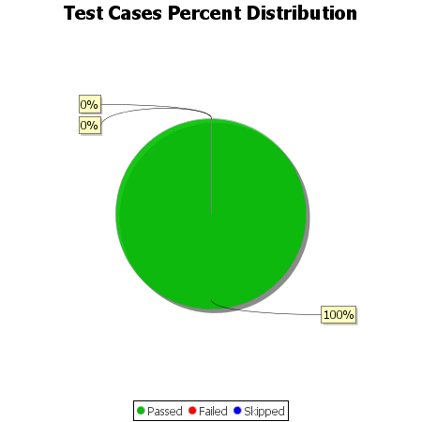
Total Test Cases | 15
Test Cases Passed | 15
Test Cases Failed | 0
Test Cases Skipped | 0

